Chi-square Tests
Section-I: Here are five hypothetical problem statements along with random datasets for Chi-square tests and ANOVA tests in statistics using Excel:

Chi-square Tests:

1. Problem Statement: Investigate whether there is a significant association between gender (Male/Female) and the preference for three different types of music genres (Rock, Pop, Classical). Use a dataset of 200 individuals.

Data Description:
We conducted a survey to examine the relationship between gender and music genres preference. The dataset consists of 200 individuals.The variables include Gender (Male, Female) and Music Genres (Rock, Pop, Classical).

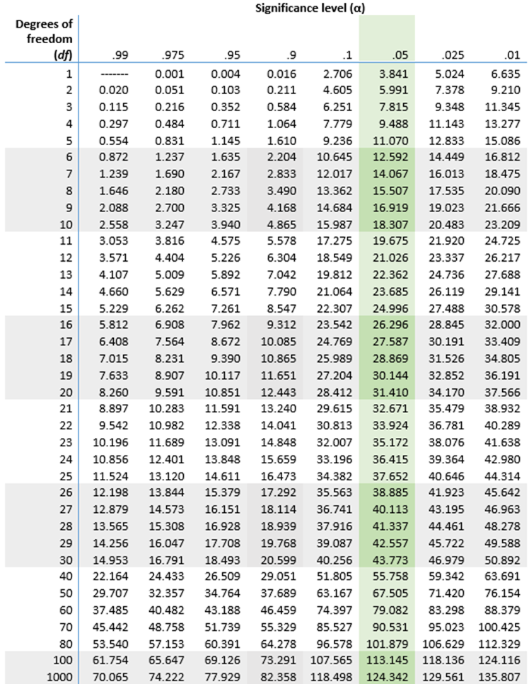
Gender | Rock | Pop | Classical | Total
Male | 50 | 30 | 20 | 100
Female | 40 | 45 | 35 | 120
Total | 90 | 75 | 55 | 220

Hypothesis Testing Procedure
Ho: | There is no relation between gender and music.
Ha: | There is a relation between gender and music.

Observed Values: |  | Gender | Rock | Pop | Classical | Total
 |  | Male | 50 | 30 | 20 | 100
 |  | Female | 40 | 45 | 35 | 120
 |  | Total | 90 | 75 | 55 | 220

Expected Value: |  | Gender | Rock | Pop | Classical | Total
 |  | Male | 40.909090909 | 34.090909091 | 25 | 100
 |  | Female | 49.090909091 | 40.909090909 | 30 | 120
 |  | Total | 90 | 75 | 55 | 220

 | Chi-Square = | Σ(O-E)2/E

Chi-Square Table: |  | Gender | Rock | Pop | Classical | Total
 |  | Male | 2.0202020202 | 0.49090909091 | 1 | 3.5111111111
 |  | Female | 1.6835016835 | 0.40909090909 | 0.83333333333 | 2.9259259259
 |  | Total | 3.7037037037 | 0.9 | 1.8333333333 | 6.437037037

 | Chi-square calculated = 6.437037
 | Degree of Freedom | (r-1)(c-1)
 |  | 2

 | Let us assume 95% Level of Confidence
 | Therefore Level of Significance = 1 - Level of Confidence
 |  | 5.00% | 0.05

 | Thus, Chi-square critical = |  | 5.9914645471

Hypothesis Testing Results

 | As 6.437037 > 5.991
 | Hence, the null hypothesis is rejected.

 | So there is a relation between gender and the preference for three different types of music genres.

Summary and Conclusions
The Chi-Square Test reveals the relationship between the Gender and the Music Preference.
Majority of males prefer Rock music while women incline towards the Pop & Classical music type.
However the later study may influence the result because of different factors like the population size, factors affecting the result, change in preference etc.

"What I Learned" Statements
The study reveled distinct gender based preferences in music genres, with males majorly favouring the Rock music and females population goes towards the Pop music.
This study helps the music industries to select the target audience based on their music type.

2. Problem Statement: Examine the relationship between educational background (High School, College, Postgraduate) and job satisfaction levels (Low, Medium, High) among a sample of 150 working professionals.

Data Description:
We conducted a survey to examine the relationship between Education background and Job Satisfaction Level. The dataset consists of 150 individuals.The variables include Education (High School,College, Postgraduate) and Job Satisfaction Level (Low, Medium, High).

Education | Low | Medium | High | Total
High School | 20 | 30 | 10 | 60
College | 15 | 25 | 20 | 60
Postgraduate | 10 | 15 | 30 | 55
Total | 45 | 70 | 60 | 175

Hypothesis Testing Procedure
Ho: | There is no relationship between the educational background and job satisfaction levels.
Ha: | There is a relationship between the educational background and job satisfaction levels.

Observed Values: |  | Education | Low | Medium | High | Total
 |  | High School | 20 | 30 | 10 | 60
 |  | College | 15 | 25 | 20 | 60
 |  | Postgraduate | 10 | 15 | 30 | 55
 |  | Total | 45 | 70 | 60 | 175

Expected Value: |  | Education | Low | Medium | High | Total
 |  | High School | 15.428571429 | 24 | 20.571428571 | 60
 |  | College | 15.428571429 | 24 | 20.571428571 | 60
 |  | Postgraduate | 14.142857143 | 22 | 18.857142857 | 55
 |  | Total | 45 | 70 | 60 | 175

 | Chi-Square = | Σ(O-E)2/E

Chi-Square Table: |  | Education | Low | Medium | High | Total
 |  | High School | 1.3544973545 | 1.5 | 5.4325396825 | 8.287037037
 |  | College | 0.011904761905 | 0.041666666667 | 0.015873015873 | 0.069444444444
 |  | Postgraduate | 1.2135642136 | 2.2272727273 | 6.5844155844 | 10.025252525
 |  | Total | 2.57996633 | 3.7689393939 | 12.032828283 | 18.381734007

 | Chi-square calculated = 18.3817
 | Degree of Freedom | (r-1)(c-1)
 |  | 4

 | Let us assume 95% Level of Confidence
 | Therefore Level of Significance = 1 - Level of Confidence
 |  | 5.00% | 0.05

 | Thus, Chi-square critical = |  | 9.4877290368

Hypothesis Testing Results

 | As 18.3817 > 9.488
 | Hence, the null hypothesis is rejected.

 | So there is a relationship between the educational background and job satisfaction levels among the working professionals.

Summary and Conclusions

The Chi-Square Test reveals the relationship between the Education and the Job Satisfaction Level.
It can be seen that the Job Satisfaction Level increases when the individual possess a high level of Education.
However the later study may influence the result because of different factors like the population size, circumstances or situation at the work place etc.

"What I Learned" Statements

The study reveled the higher the education level, the more the job satisfaction level of an individual.
This study helps the industries to take measures to increase the job satisfaction for the less educated employees.

